Sheet1
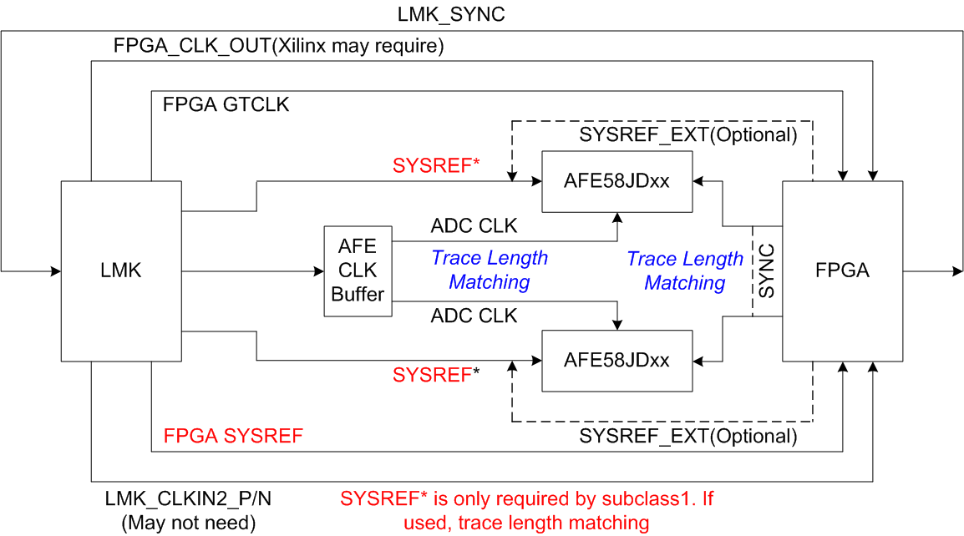
N | ADC Resolution
N' | Serializaiton Factor
M | # of ADCs
L | # of JESD Lanes
F | # of octets
K | # of Frames
F*K | 17<F*K=4*X
JESD Lane Rate

 |  |  |  |  |  |  |  |  |  |  |  |  | The sysref signals to the ADC and FPGA will be pulses or can be a continuous clock at Fs/(K*n) where n is an integer.
 |  | N | N' | M | L | F | K | F*K>17 | Fs MSPS | JESD Rate(G) | MIF(10,20,40,80,160) | GTX CLK (G) | SYSREF (MHz) n=1 | SYSREF (MHz) n=2
 |  | 12 | 12 | 12 | 4 | 6 | 3 | 18 | 80 | 3.6 | 80 | 0.045 | 26.666666667 | 13.333333333 | 8.8888888889
 |  | 12 | 12 | 16 | 4 | 6 | 4 | 24 | 80 | 4.8 | 80 | 0.06 | 20 | 10 | 6.6666666667 | #DIV/0! | 3 | #DIV/0! | 4 | 1.5 | 3 | 4.5 | 4 | 1.5 | 3 | 4.5 | 4 | 1.5 | 3 | 4.5 | 4 | 1.5 | 3 | 4.5 | 4 | 1.5 | 3 | 4.5 | 4 | 1.5 | 3 | 4.5 | 4 | 1.5 | 3 | 4.5 | 4 | 1.5 | 3 | 4.5 | 4 | 1.5 | 3 | 4.5 | 4 | 1.5 | 3 | 4.5 | 4 | 1.5 | 3 | 4.5 | 4 | 1.5 | 3 | 4.5 | 4 | 1.5 | 3 | 4.5 | 4 | 1.5 | 3 | 4.5 | 4 | 1.5 | 3 | 4.5 | 4 | 1.5 | 3 | 4.5 | 4 | 1.5 | 3 | 4.5 | 4 | 1.5 | 3 | 4.5 | 4 | 1.5 | 3 | 4.5 | 4 | 1.5 | 3 | 4.5 | 4 | 1.5 | 3 | 4.5 | 4 | 1.5 | 3 | 4.5 | 4 | 1.5 | 3 | 4.5 | 4 | 1.5 | 3 | 4.5 | 4 | 1.5 | 3 | 4.5 | 4 | 1.5 | 3 | 4.5 | 4 | 1.5 | 3 | 4.5 | 4 | 1.5 | 3 | 4.5 | 4 | 1.5 | 3 | 4.5 | 4 | 1.5 | 3 | 4.5 | 4 | 1.5 | 3 | 4.5 | 4 | 1.5 | 3 | 4.5 | 4 | 1.5 | 3 | 4.5 | 4 | 1.5 | 3 | 4.5 | 4 | 1.5 | 3 | 4.5 | 4 | 1.5 | 3 | 4.5 | 4 | 1.5 | 3 | 4.5 | 4 | 1.5 | 3 | 4.5 | 4 | 1.5 | 3 | 4.5 | 4 | 1.5 | 3 | 4.5 | 4 | 1.5 | 3 | 4.5 | 4 | 1.5 | 3 | 4.5 | 4 | 1.5 | 3 | 4.5 | 4 | 1.5 | 3 | 4.5 | 4 | 1.5 | 3 | 4.5 | 4 | 1.5 | 3 | 4.5 | 4 | 1.5 | 3 | 4.5 | 4 | 1.5 | 3 | 4.5 | 4 | 1.5 | 3 | 4.5 | 4 | 1.5 | 3 | 4.5 | 4 | 1.5 | 3 | 4.5 | 4 | 1.5 | 3 | 4.5 | 4 | 1.5 | 3 | 4.5 | 4 | 1.5 | 3 | 4.5 | 4 | 1.5 | 3 | 4.5 | 4 | 1.5 | 3 | 4.5 | 4 | 1.5 | 3 | 4.5 | 4 | 1.5 | 3 | 4.5 | 4 | 1.5 | 3 | 4.5
 |  | 12 | 12 | 16 | 2 | 12 | 2 | 24 | 80 | 9.6 | 20 | 0.48 | 40 | 20 |  | AFE5816+MAX14808 EVM settting, exceed the PLL limit, but OK for evaluation case
 |  | 14 | 16 | 16 | 8 | 4 | 5 | 20 | 80 | 3.2 | 40 | 0.08 | 16 | 8
 |  | 12 | 16 | 16 | 8 | 4 | 8 | 32 | 80 | 3.2 | 40 | 0.08 | 10 | 5

