フィルタ回路
Question about ADS114S08EVM

 | The voltage across C88 is higher than the voltage at the ADS114S08EVM input terminals A8 and A9. | Experimentally, Changing R79 from 4.2kΩ to 820Ω reduced the amplitude.
 | Could you please let me know the cause?

 | R79 4.12kΩ | R79 4.2kΩ→820Ω
 | C88 Voltage
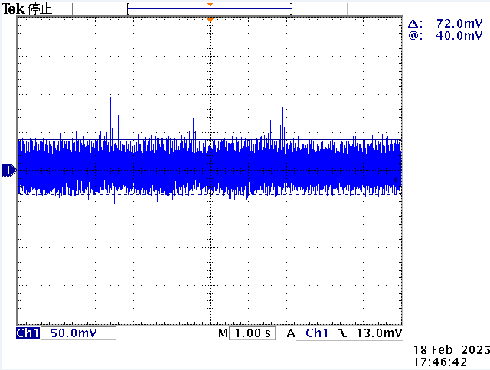
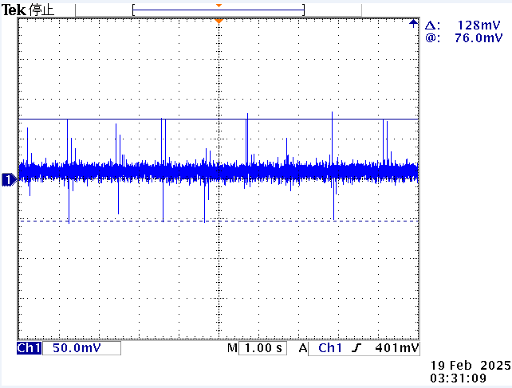

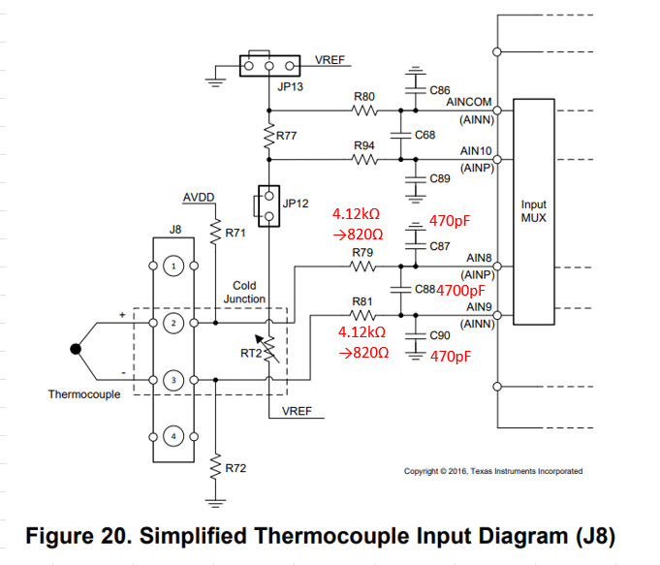
500kΩ
500kΩ
DC power supply

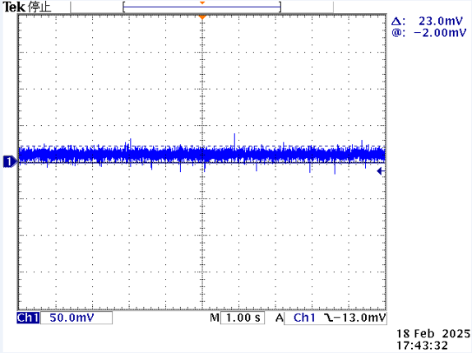
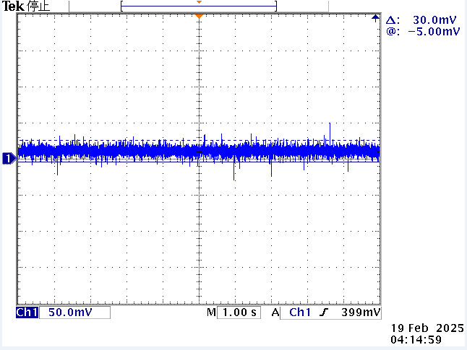
 | Voltage between 2 and 3 (A8 and A9) of J8
 |  | Voltage between 2 and 3 (A8 and A9) of J8

DC10mV ripple
 | 電圧uV_ch01
1.1574074074E-06 | 10.000202
2.7893518519E-06 | 9.999999
4.4328703704E-06 | 9.999275
6.087962963E-06 | 9.999603
7.7546296296E-06 | 9.99983
9.4097222222E-06 | 9.999565
1.1064814815E-05 | 9.999985
1.2777777778E-05 | 9.99971
1.4363425926E-05 | 9.999777
1.5844907407E-05 | 9.999642
1.7488425926E-05 | 9.999681
1.9155092593E-05 | 9.999656
2.0798611111E-05 | 9.999459
2.2453703704E-05 | 9.999903
2.4108796296E-05 | 9.999328
2.5601851852E-05 | 9.99941
2.7303240741E-05 | 10.000163
2.8923611111E-05 | 9.999512
3.0590277778E-05 | 9.999864
3.2233796296E-05 | 9.999676
3.3715277778E-05 | 9.999705
3.537037037E-05 | 9.999879
3.7025462963E-05 | 9.999777
3.8715277778E-05 | 9.999816
4.0347222222E-05 | 9.999661
4.181712963E-05 | 9.999994
4.3472222222E-05 | 10.000086
4.5138888889E-05 | 9.99983
4.6770833333E-05 | 9.999845
4.8263888889E-05 | 9.999608
4.9918981481E-05 | 9.999309
5.1388888889E-05 | 9.999917
5.306712963E-05 | 9.999965
5.4502314815E-05 | 9.99985
5.6157407407E-05 | 9.999748
5.7627314815E-05 | 9.999367
5.9293981481E-05 | 10.000038
6.0752314815E-05 | 9.999661
6.2395833333E-05 | 9.99957
6.3900462963E-05 | 9.999767
6.5543981481E-05 | 10.000139
6.7222222222E-05 | 9.999589
6.8865740741E-05 | 9.999656
7.0335648148E-05 | 10.000139
7.2002314815E-05 | 9.999261
7.3668981481E-05 | 9.999917
7.53125E-05 | 9.999478
7.6956018519E-05 | 9.999594
7.8449074074E-05 | 9.99984
8.0081018519E-05 | 9.999632
...

