Current Output
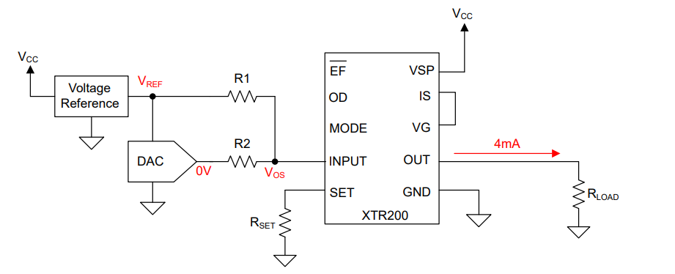
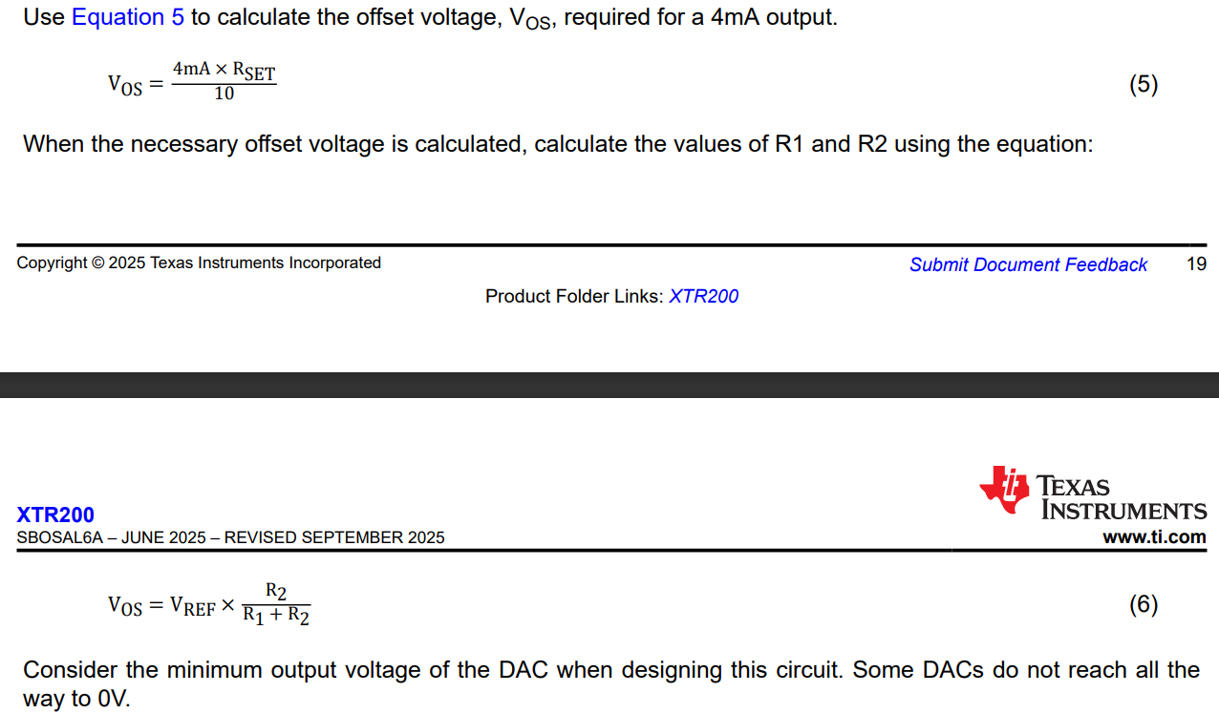
 |  | Input |  |  |  | Output

Target
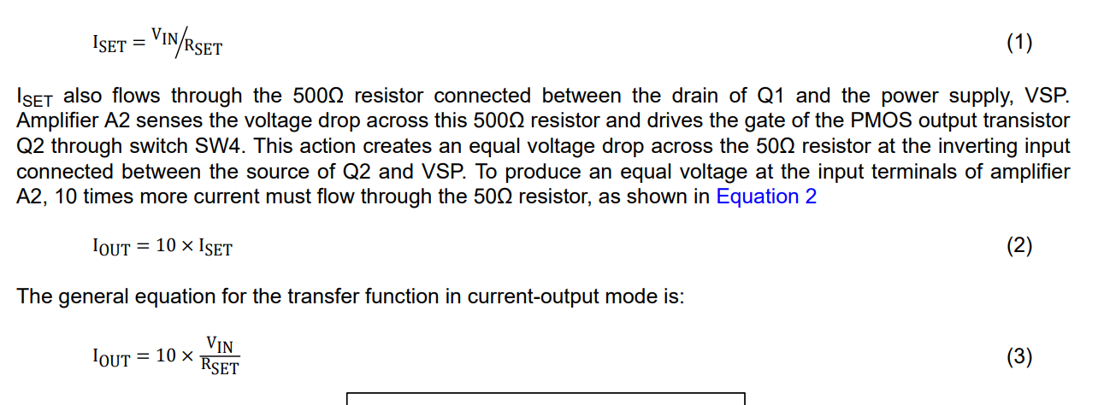
Iout (min) | 0.004
Iout (max) | 0.02

RSET | 2000 |  | Ideal
Vin (min) | 0 |  | Iout (min) | 0
Vin (max) | 5 |  | Iout (max) | 0.025

If target is not equal to Ideal, an offset voltage must be introduced
Ideal |  |  | Actual |  | Vos IOUT
Vos | 0.8 |  | Vos VIN @ Min VIN | 0.83 | Iout (min) | 0.0041666666667
 |  |  | Vos VIN @ Max VIN | 4.167 | Iout (max) | 0.020833333333
Vref | 2.5
R1 | 1020
R2 | 510

