CurrentMode
 | Input |  | Output

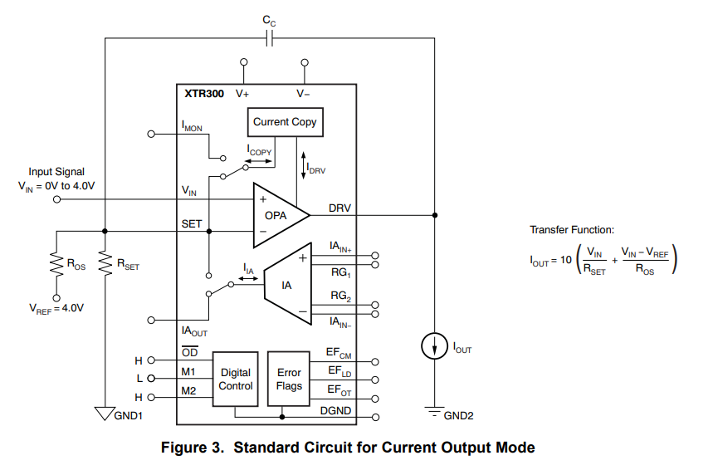
V+ (V) | 10.5
V- (V) | -10

VIN Min (V) | 0 | RSET | 2500
VIN Max (V) | 5

Target |  | Actual
IOUT Min (A) | 0.004 | IOUT Min (A) | 0
IOUT Max (A) | 0.02 | IOUT Max (A) | 0.02

If target and actual do not match, ROS & VREF must be implemented
If VIN Min is 0V and IOUT Min is positive, VREF has to be negative

VREF | -5 | ROS | 12500
 |  | RSET | 4166.6666667

 |  | Actual
 |  | IOUT Min (A) | 0.004
 |  | IOUT Max (A) | 0.02

Datasheet limits
VOUT Min (V) | -7
VOUT Max (V) | 7.5

RLOAD Max | 375
 |  | Actual
RLOAD | 300 | Vout Min (V) | 1.2
 |  | Vout Max (V) | 6

