XTAL
Around XTAL Schematics difference between EVM & data sheet
Which should be recommended ?

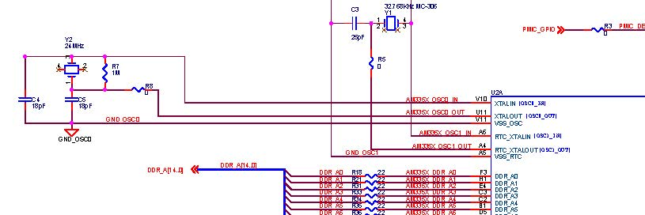

FIGURE1: EVM s p.2（am335x_gpevm_zczbaseboard_3h0002_schematic_rev1_6a.pdf）
 | Resistor/Capacitor connection is not same

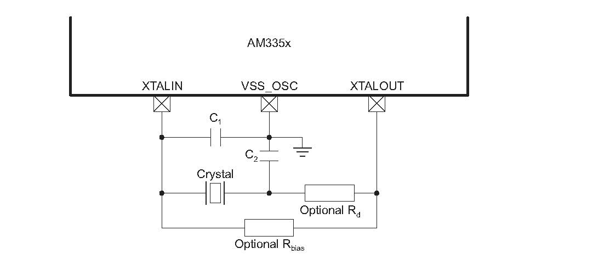

FIGURE2: datasheet p.107（sprs717j.pdf）

DDR3
Were the capacitor of the part surrounded by red circle in the following added by the result of simulation etc. when making a printed board?
If this is the case, customer will decide whether it is necessary or unnecessary by simulation in development.



 | p.7（am335x_gpevm_zczbaseboard_3h0002_schematic_rev1_6a.pdf）

