Sheet1
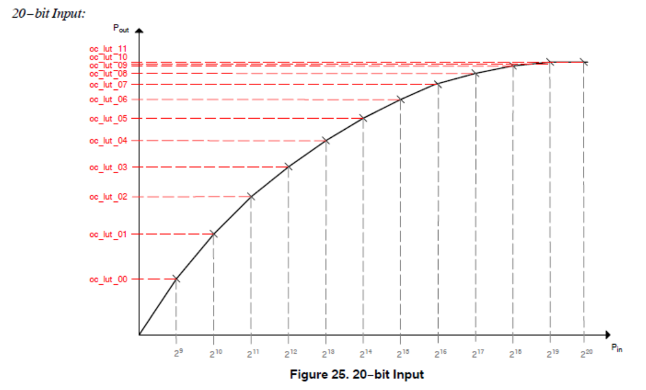
0820 companding |  |  |  | knee points
name | registor | value | 12bits/hex | X/20bit | Y/12bit
OC_LUT_00 | 0x33C0 | 2000 | 200 | 512 | 512
OC_LUT_01 | 0x33C2 | 4000 | 400 | 1024 | 1024
OC_LUT_02 | 0x33C4 | 6000 | 600 | 2048 | 1536
OC_LUT_03 | 0x33C6 | 8000 | 800 | 4096 | 2048
OC_LUT_04 | 0x33C8 | A000 | A00 | 8192 | 2560
OC_LUT_05 | 0x33CA | C000 | C00 | 16,384 | 3072
OC_LUT_06 | 0x33CC | E000 | E00 | 32,768 | 3584
OC_LUT_07 | 0x33CE | F000 | F00 | 65536 | 3840
OC_LUT_08 | 0x33D0 | F400 | F40 | 131072 | 3904
OC_LUT_09 | 0x33D2 | F800 | F80 | 262144 | 3968
OC_LUT_10 | 0x33D4 | FC00 | FC0 | 524288 | 4032
OC_LUT_11 | 0x33D6 | FFC0 | FFC | 1048576 | 4092

20 -> 12

