sysconfig settings
Frequecny is 800MHz
sysconfig settings

 | Parameters | Default | Changed | Unit
 |  | value | value

Config A) System Configuration

 | FSP0 Frequency (MHz) | -- | 50 | MHz
 | FSP1 Frequency (MHz) | -- | 800 | MHz |  | <= cannot select in sysconfig
 | FSP2 Frequency (MHz) | -- | 800 | MHz |  | <= 800MHz is the maximum
 | DDR Data Bus Width (per device) | 16 | ← | bit |  | <= cannot select in sysconfig as AM64x is 16bit width
 | DDR Density (per device) (Gb) | -- | 8 | Gb
 | Chip Selects / Ranks | -- | 1 | -- |  | <= cannot select in sysconfig as AM64x supports only 1chip

DRAM Timing A) Latency Parameters

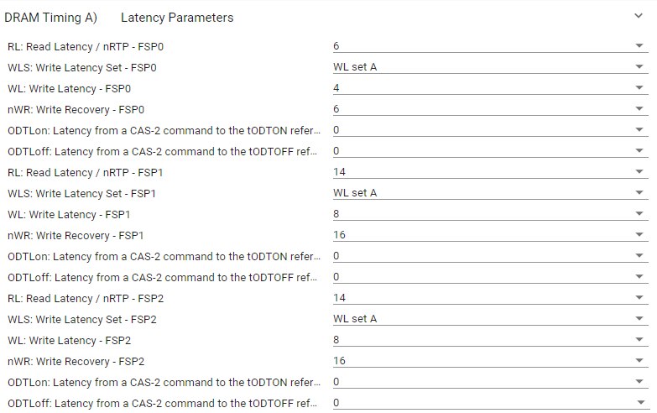
 | RL: Read Latency / nRTP - FSP0 | 6 | ← | * tCLK (ps)
 | WLS: Write Latency Set - FSP0 | WL set A | ← | --
 | WL: Write Latency - FSP0 | 4 | ← | tCK
 | nWR: Write Recovery - FSP0 | 6 | ← | tCK
 | ODTLon: Latency from a CAS-2 command to the tODTON reference - FSP0 | 0 | ← | tCK | Refer to "ODTon-off_Latency" sheet
 | ODTLoff: Latency from a CAS-2 command to the tODTOFF reference - FSP0 | 0 | ← | tCK | Refer to "ODTon-off_Latency" sheet
 | RL: Read Latency / nRTP - FSP1 | 14 | ← | tCK
 | WLS: Write Latency Set - FSP1 | WL set A | ← | --
 | WL: Write Latency - FSP1 | 8 | ← | tCK | Default value is used as there is no specificaiton for Write
 | nWR: Write Recovery - FSP1 | 16 | ← | tCK | Default value is used as there is no specificaiton for Write
 | ODTLon: Latency from a CAS-2 command to the tODTON reference - FSP1 | 0 | ← | tCK | Refer to "ODTon-off_Latency" sheet
 | ODTLoff: Latency from a CAS-2 command to the tODTOFF reference - FSP1 | 0 | ← | tCK | Refer to "ODTon-off_Latency" sheet
 | RL: Read Latency / nRTP - FSP2 | 14 | ← | tCK
 | WLS: Write Latency Set - FSP2 | WL set A | ← | --
 | WL: Write Latency - FSP2 | 8 | ← | tCK | Default value is used as there is no specificaiton for Write
 | nWR: Write Recovery - FSP2 | 16 | ← | tCK | Default value is used as there is no specificaiton for Write
 | ODTLon: Latency from a CAS-2 command to the tODTON reference - FSP2 | 0 | ← | tCK | Refer to "ODTon-off_Latency" sheet
 | ODTLoff: Latency from a CAS-2 command to the tODTOFF reference - FSP2 | 0 | ← | tCK | Refer to "ODTon-off_Latency" sheet

DRAM Timing B) Timing Parameters

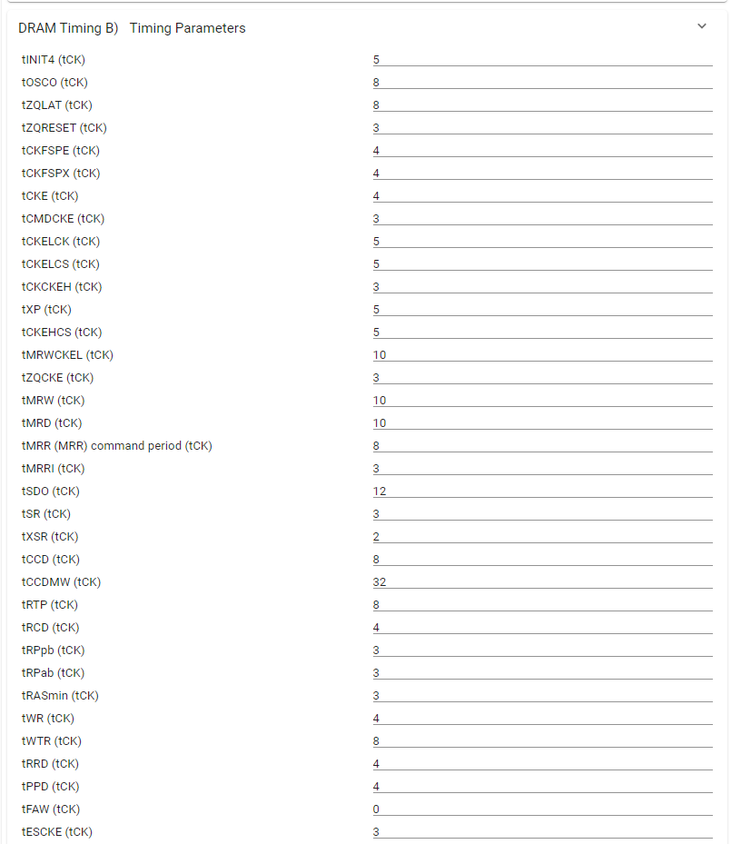
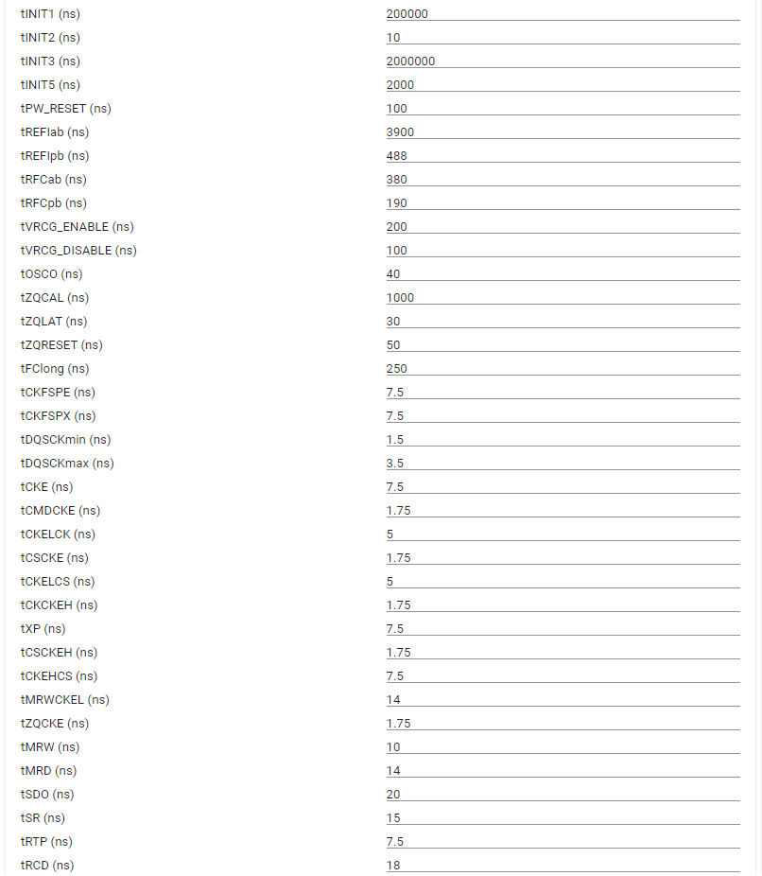
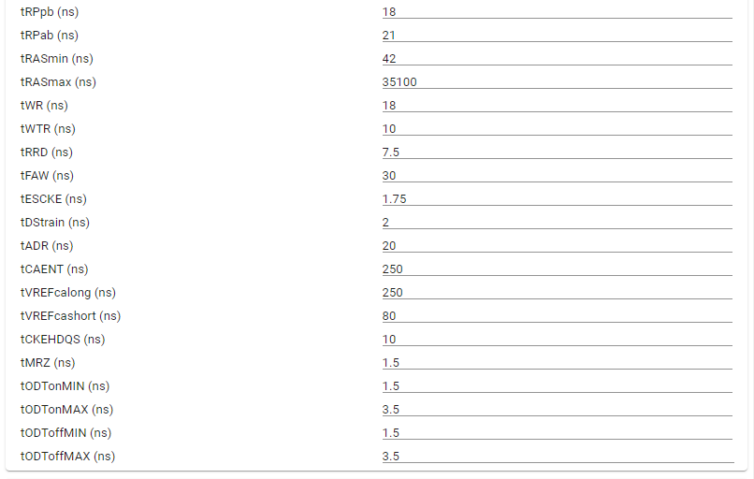
 | tINIT4 (tCK) | 5 | ← | tCK
 | tOSCO (tCK) | 8 | ← | tCK
 | tZQLAT (tCK) | 8 | ← | tCK
 | tZQRESET (tCK) | 3 | ← | tCK
 | tCKFSPE (tCK) | 4 | ← | tCK
 | tCKFSPX (tCK) | 4 | ← | tCK
 | tCKE (tCK) | 4 | ← | tCK
 | tCMDCKE (tCK) | 3 | ← | tCK
 | tCKELCK (tCK) | 5 | ← | tCK
 | tCKELCS (tCK) | 5 | ← | tCK
 | tCKCKEH (tCK) | 3 | ← | tCK
 | tXP (tCK) | 5 | ← | tCK
 | tCKEHCS (tCK) | 5 | ← | tCK
 | tMRWCKEL (tCK) | 10 | ← | tCK
 | tZQCKE (tCK) | 3 | ← | tCK
 | tMRW (tCK) | 10 | ← | tCK
 | tMRD (tCK) | 10 | ← | tCK
 | tMRR (MRR) command period (tCK) | 8 | ← | tCK
 | tMRRI (tCK) | 3 | 7 | tCK | Refer to "tMRRI" sheet
 | tSDO (tCK) | 12 | ← | tCK
 | tSR (tCK) | 3 | ← | tCK
 | tXSR (tCK) | 2 | ← | tCK
 | tCCD (tCK) | 8 | ← | tCK
 | tCCDMW (tCK) | 32 | ← | tCK
 | tRTP (tCK) | 8 | ← | tCK
 | tRCD (tCK) | 4 | ← | tCK
 | tRPpb (tCK) | 3 | 4 | tCK
 | tRPab (tCK) | 3 | 4 | tCK
 | tRASmin (tCK) | 3 | ← | tCK
 | tWR (tCK) | 4 | 6 | tCK
 | tWTR (tCK) | 8 | ← | tCK
 | tRRD (tCK) | 4 | ← | tCK
 | tPPD (tCK) | 4 | ← | tCK
 | tFAW (tCK) | 0 | 64 | tCK | Refer to "tRRD/tFAW" sheet
 | tESCKE (tCK) | 3 | ← | tCK
 | tINIT1 (ns) | 200,000 | ← | ns
 | tINIT2 (ns) | 10 | ← | ns
 | tINIT3 (ns) | 2,000,000 | ← | ns
 | tINIT5 (ns) | 2000 | ← | ns
 | tPW_RESET (ns) | 100 | ← | ns
 | tREFIab (ns) | 3900 | ← | ns
 | tREFIpb (ns) | 488 | ← | ns
 | tRFCab (ns) | 380 | 280 | ns | Refer to "tRFCab-pb" sheet
 | tRFCpb (ns) | 190 | 140 | ns | Refer to "tRFCab-pb" sheet
 | tVRCG_ENABLE (ns) | 200 | ← | ns
 | tVRCG_DISABLE (ns) | 100 | ← | ns
 | tOSCO (ns) | 40 | ← | ns
 | tZQCAL (ns) | 1000 | ← | ns
 | tZQLAT (ns) | 30 | ← | ns
 | tZQRESET (ns) | 50 | ← | ns
 | tFClong (ns) | 250 | ← | ns
 | tCKFSPE (ns) | 7.5 | ← | ns
 | tCKFSPX (ns) | 7.5 | ← | ns
 | tDQSCKmin (ns) | 1.5 | ← | ns
 | tDQSCKmax (ns) | 3.5 | 3.6 | ns | Refer to "tDQSCKmax" sheet
 | tCKE (ns) | 7.5 | ← | ns
 | tCMDCKE (ns) | 1.75 | ← | ns
 | tCKELCK (ns) | 5 | ← | ns
 | tCSCKE (ns) | 1.75 | ← | ns
 | tCKELCS (ns) | 5 | ← | ns
 | tCKCKEH (ns) | 1.75 | ← | ns
 | tXP (ns) | 7.5 | ← | ns
 | tCSCKEH (ns) | 1.75 | ← | ns
 | tCKEHCS (ns) | 7.5 | ← | ns
 | tMRWCKEL (ns) | 14 | ← | ns
 | tZQCKE (ns) | 1.75 | ← | ns
 | tMRW (ns) | 10 | ← | ns
 | tMRD (ns) | 14 | ← | ns
 | tSDO (ns) | 20 | ← | ns
 | tSR (ns) | 15 | ← | ns
 | tRTP (ns) | 7.5 | ← | ns
 | tRCD (ns) | 18 | ← | ns
 | tRPpb (ns) | 18 | ← | ns
 | tRPab (ns) | 21 | ← | ns
 | tRASmin (ns) | 42 | 43.875 | ns | Refer to "tRAS" sheet
 | tRASmax (ns) | 35100 | 70200 | ns | Refer to "tRAS" sheet
 | tWR (ns) | 18 | ← | ns
 | tWTR (ns) | 10 | ← | ns
 | tRRD (ns) | 7.5 | 4 | ns | Refer to "tRRD/tFAW" sheet
 | tFAW (ns) | 30 | 40 | ns | Refer to "tRRD/tFAW" sheet
 | tESCKE (ns) | 1.75 | ← | ns
 | tDStrain (ns) | 2 | ← | ns
 | tADR (ns) | 20 | ← | ns
 | tCAENT (ns) | 250 | ← | ns
 | tVREFcalong (ns) | 250 | ← | ns
 | tVREFcashort (ns) | 80 | ← | ns
 | tCKEHDQS (ns) | 10 | ← | ns
 | tMRZ (ns) | 1.5 | ← | ns
 | tODTonMIN (ns) | 1.5 | ← | ns
 | tODTonMAX (ns) | 3.5 | ← | ns
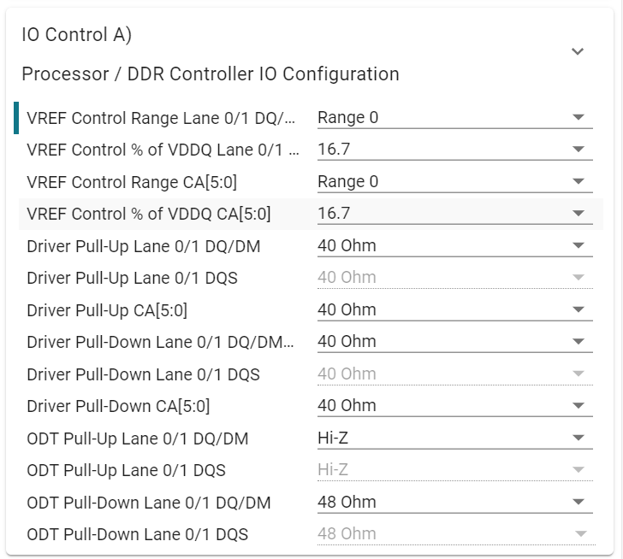
 | tODToffMIN (ns) | 1.5 | ← | ns
 | tODToffMAX (ns) | 3.5 | ← | ns

IO Control A) Processor / DDR Controller IO Configuration
Default values are recommended

 | VREF Control Range Lane 0/1 DQ/DM/DQS | Range 0 | ← | --
 | VREF Control % of VDDQ Lane 0/1 DQ/DM/DQS | 16.7 | ← | %
 | VREF Control Range CA[5:0] | Range 0 | ← | --
 | VREF Control % of VDDQ CA[5:0] | 16.7 | ← | %
 | Driver Pull-Up Lane 0/1 DQ/DM | 40 | ← | ohm
 | Driver Pull-Up Lane 0/1 DQS | 40 | ← | ohm
 | Driver Pull-Up CA[5:0] | 40 | ← | ohm
 | Driver Pull-Down Lane 0/1 DQ/DM | 40 | ← | ohm
 | Driver Pull-Down Lane 0/1 DQS | 40 | ← | ohm
 | Driver Pull-Down CA[5:0] | 40 | ← | ohm
 | ODT Pull-Up Lane 0/1 DQ/DM | Hi-Z | ← | ohm
 | ODT Pull-Up Lane 0/1 DQS | Hi-Z | ← | ohm
 | ODT Pull-Down Lane 0/1 DQ/DM | 48 | ← | ohm
 | ODT Pull-Down Lane 0/1 DQS | 48 | ← | ohm

IO Control B) DRAM IO Configuration
Default values are recommended

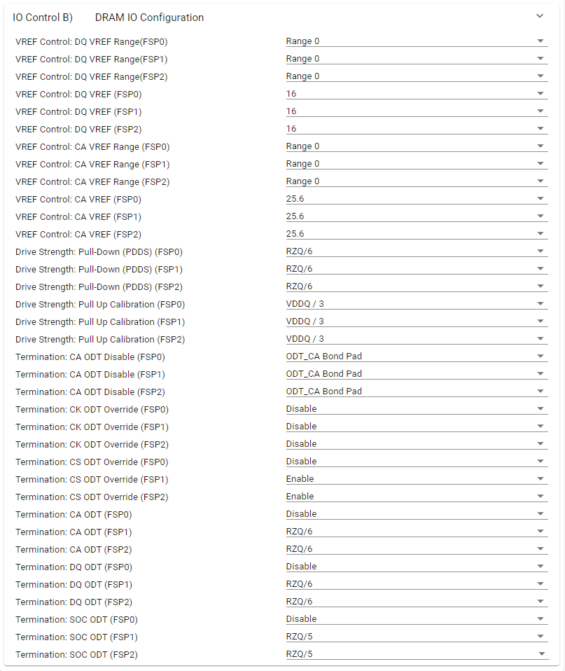
 | VREF Control: DQ VREF Range(FSP0) | Range 0 | ← | --
 | VREF Control: DQ VREF Range(FSP1) | Range 0 | ← | --
 | VREF Control: DQ VREF Range(FSP2) | Range 0 | ← | --
 | VREF Control: DQ VREF (FSP0) | 16 | ← | %
 | VREF Control: DQ VREF (FSP1) | 16 | ← | %
 | VREF Control: DQ VREF (FSP2) | 16 | ← | %
 | VREF Control: CA VREF Range (FSP0) | Range 0 | ← | --
 | VREF Control: CA VREF Range (FSP1) | Range 0 | ← | --
 | VREF Control: CA VREF Range (FSP2) | Range 0 | ← | --
 | VREF Control: CA VREF (FSP0) | 25.6 | ← | %
 | VREF Control: CA VREF (FSP1) | 25.6 | ← | %
 | VREF Control: CA VREF (FSP2) | 25.6 | ← | %
 | Drive Strength: Pull-Down (PDDS) (FSP0) | RZQ / 6 | ← | ohm
 | Drive Strength: Pull-Down (PDDS) (FSP1) | RZQ / 6 | ← | ohm
 | Drive Strength: Pull-Down (PDDS) (FSP2) | RZQ / 6 | ← | ohm
 | Drive Strength: Pull Up Calibration (FSP0) | VDDQ / 3 | ← | V
 | Drive Strength: Pull Up Calibration (FSP1) | VDDQ / 3 | ← | V
 | Drive Strength: Pull Up Calibration (FSP2) | VDDQ / 3 | ← | V
 | Termination: CA ODT Disable (FSP0) | ODT_CA Bond Pad | ← | --
 | Termination: CA ODT Disable (FSP1) | ODT_CA Bond Pad | ← | --
 | Termination: CA ODT Disable (FSP2) | ODT_CA Bond Pad | ← | --
 | Termination: CK ODT Override (FSP0) | Disable | ← | ohm
 | Termination: CK ODT Override (FSP1) | Disable | ← | ohm
 | Termination: CK ODT Override (FSP2) | Disable | ← | ohm
 | Termination: CS ODT Override (FSP0) | Disable | ← | ohm
 | Termination: CS ODT Override (FSP1) | Enable | ← | ohm
 | Termination: CS ODT Override (FSP2) | Enable | ← | ohm
 | Termination: CA ODT (FSP0) | Disable | ← | ohm
 | Termination: CA ODT (FSP1) | RZQ / 6 | ← | ohm
 | Termination: CA ODT (FSP2) | RZQ / 6 | ← | ohm
 | Termination: DQ ODT (FSP0) | Disable | ← | ohm
 | Termination: DQ ODT (FSP1) | RZQ / 6 | ← | ohm
 | Termination: DQ ODT (FSP2) | RZQ / 6 | ← | ohm
 | Termination: SOC ODT (FSP0) | Disable | ← | ohm
 | Termination: SOC ODT (FSP1) | RZQ / 5 | ← | ohm
 | Termination: SOC ODT (FSP2) | RZQ / 5 | ← | ohm

tMRRI
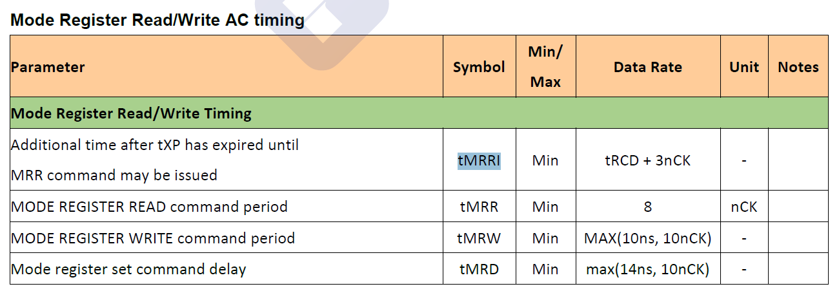
JEDEC Specification
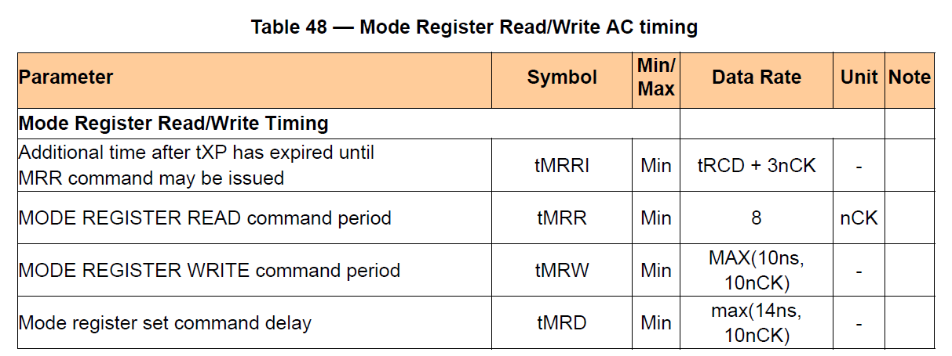

NANYA LPDDR4 datasheet

tRPab-pb
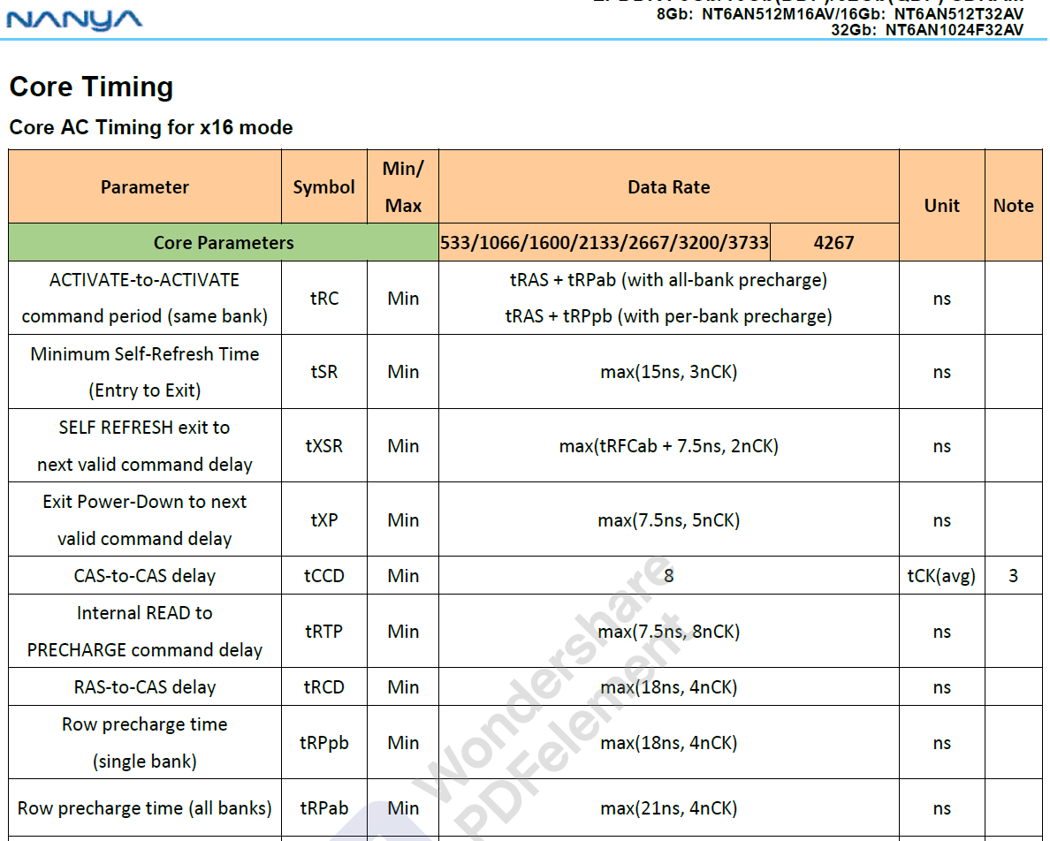
JEDEC Specification
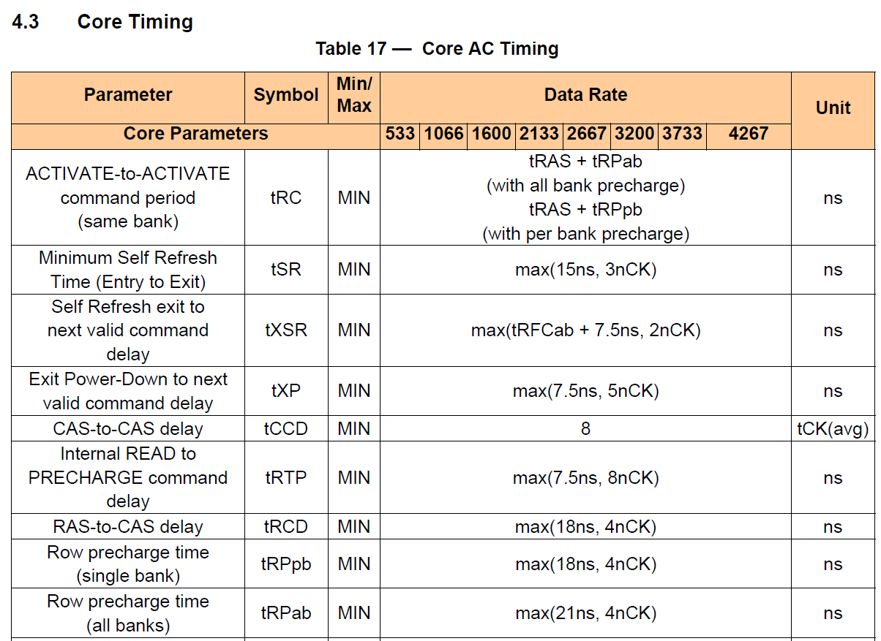

NANYA LPDDR4 datasheet

ODTon-off_Latency
JEDEC Specification
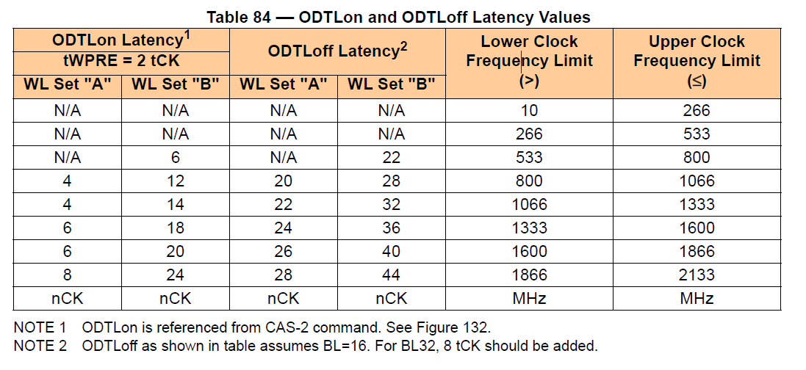

The maximum memory clock is 800MHz in AM64XX ・ ODTon Latency : N/A
=> 0 nCK is used
・ ODToff Latency : N/A
=> 0 nCK is used

NANYA LPDDR4 datasheet

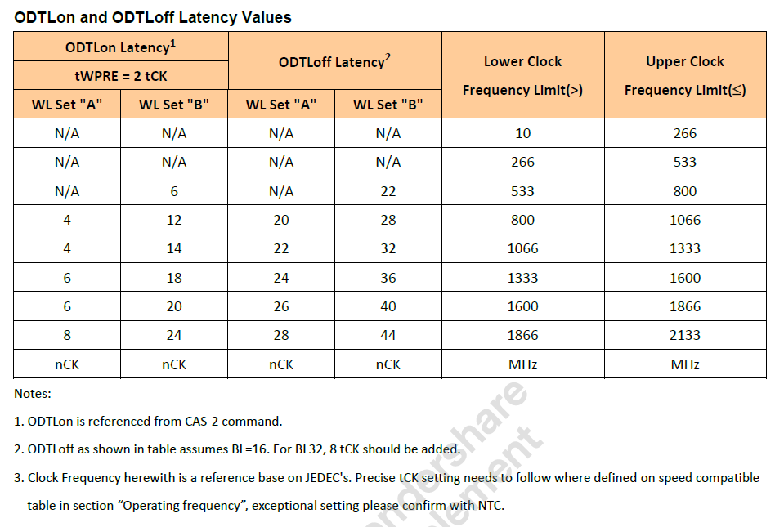

The maximum memory clock is 800MHz in AM64XX ・ ODTon Latency : N/A
=> 0 nCK is used
・ ODToff Latency : N/A
=> 0 nCK is used

tRFCab-pb
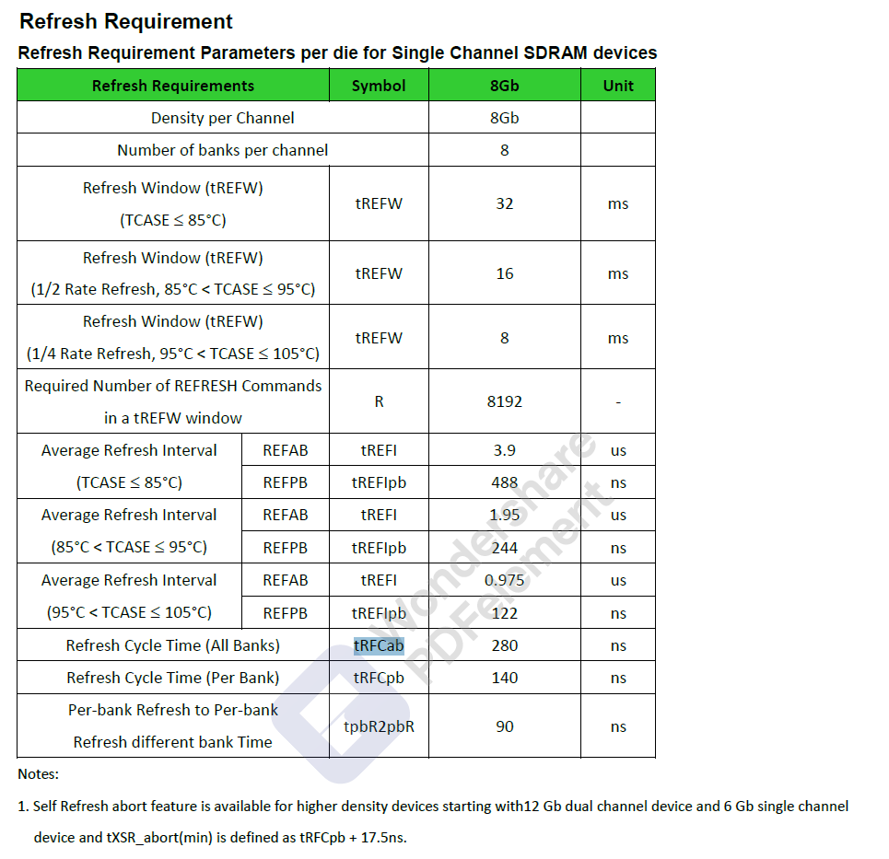
JEDEC Specification

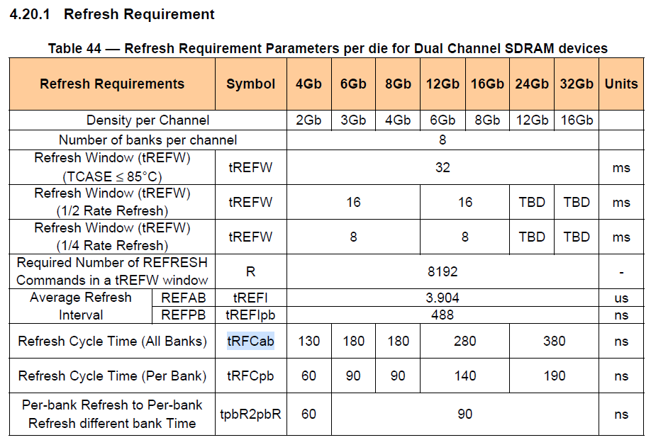

The default values in sysconfig are below.
These values are for 24Gb, 32Gb.
・ 24Gb、32Gb
tRFCab = 380ns
tRFCpb = 190ns
For 16Gb, different values are used.
・ 16Gb
tRFCab = 280ns
tRFCpb = 140ns

NANYA LPDDR4 datasheet

tDQSCKmax
JEDEC Specification

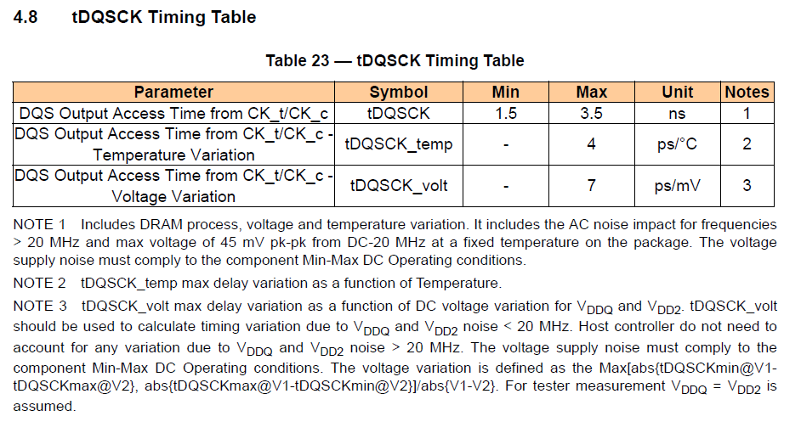

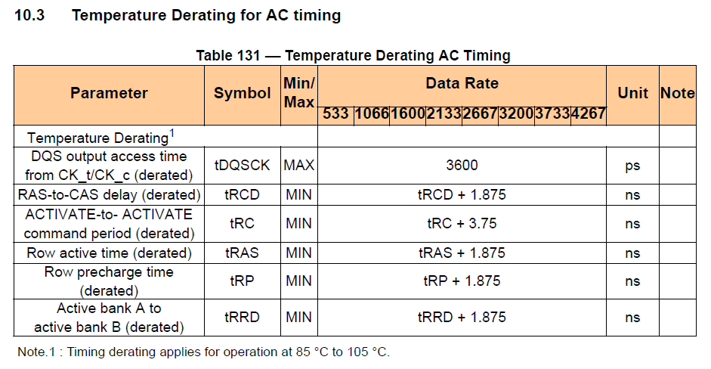
Value with derating. Without derating 3.5nsec.
3.6nsec is used in sysconfig.

NANYA LPDDR4 datasheet

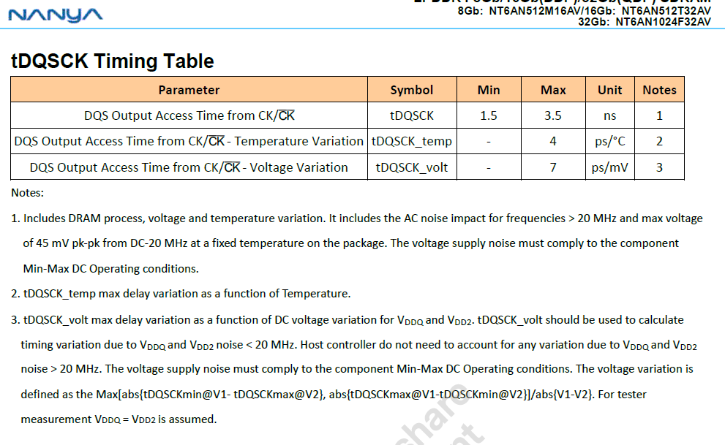

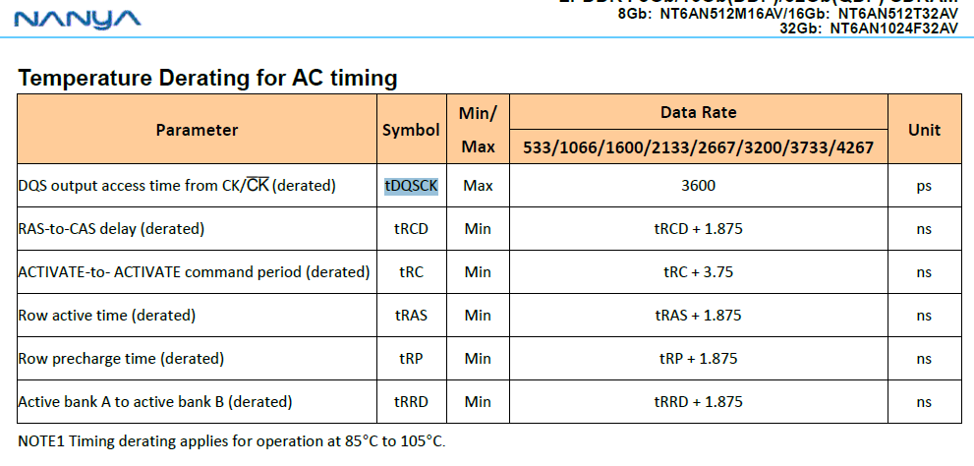
Value with derating. Without derating 3.5nsec.
3.6nsec is used in sysconfig.

tRAS
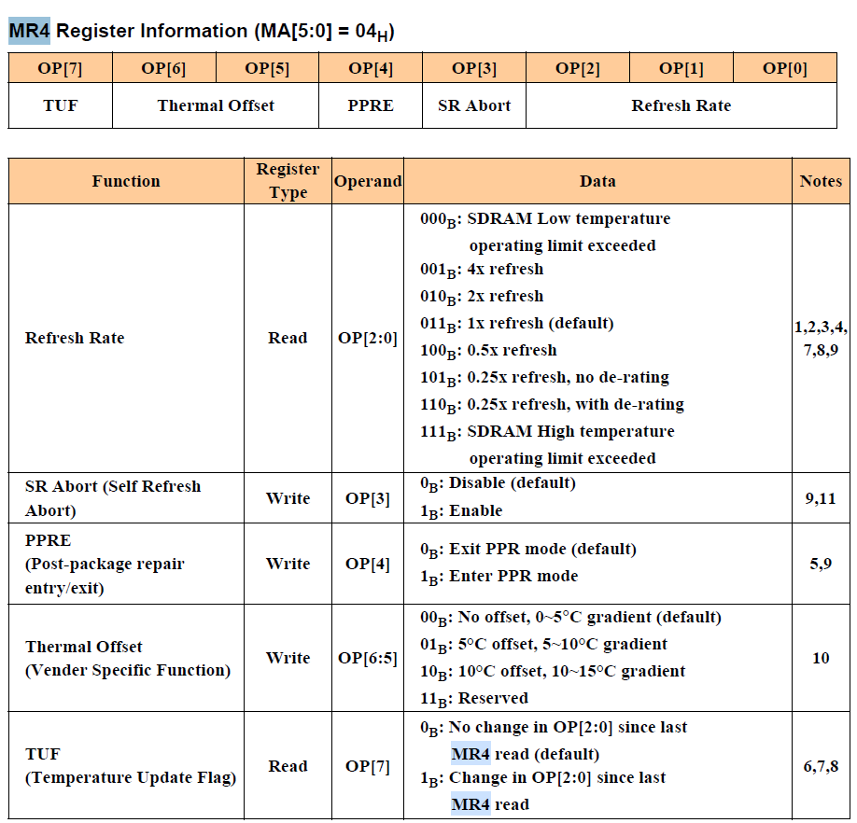
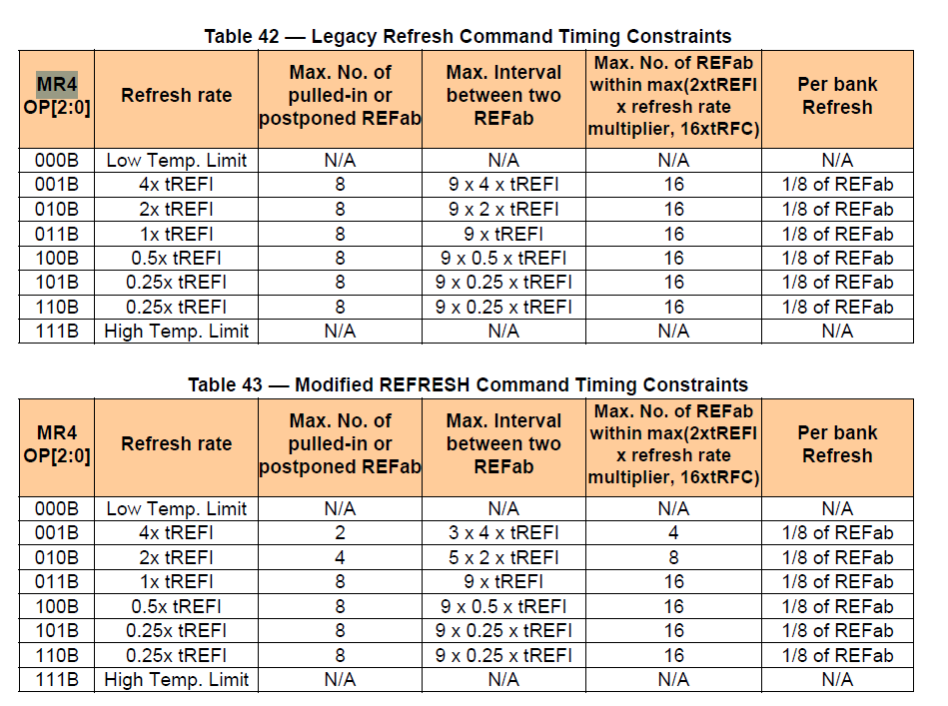
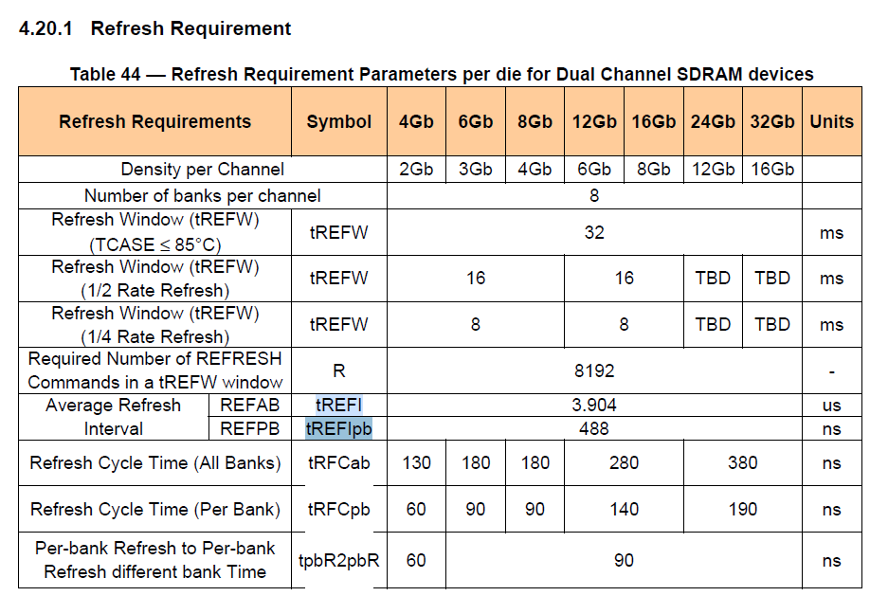
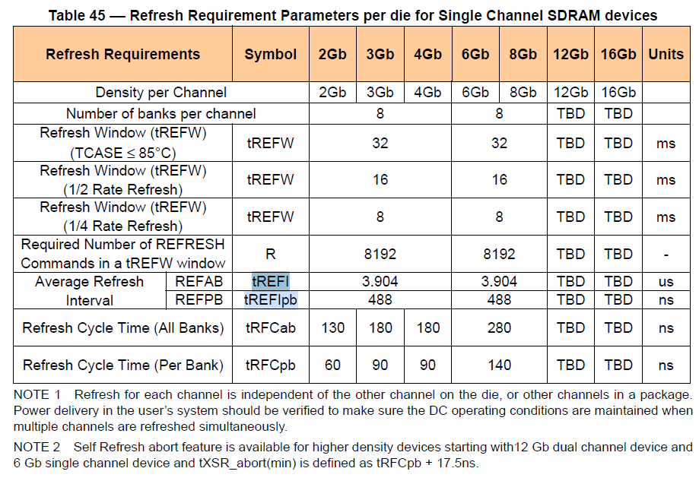
JEDEC Specification
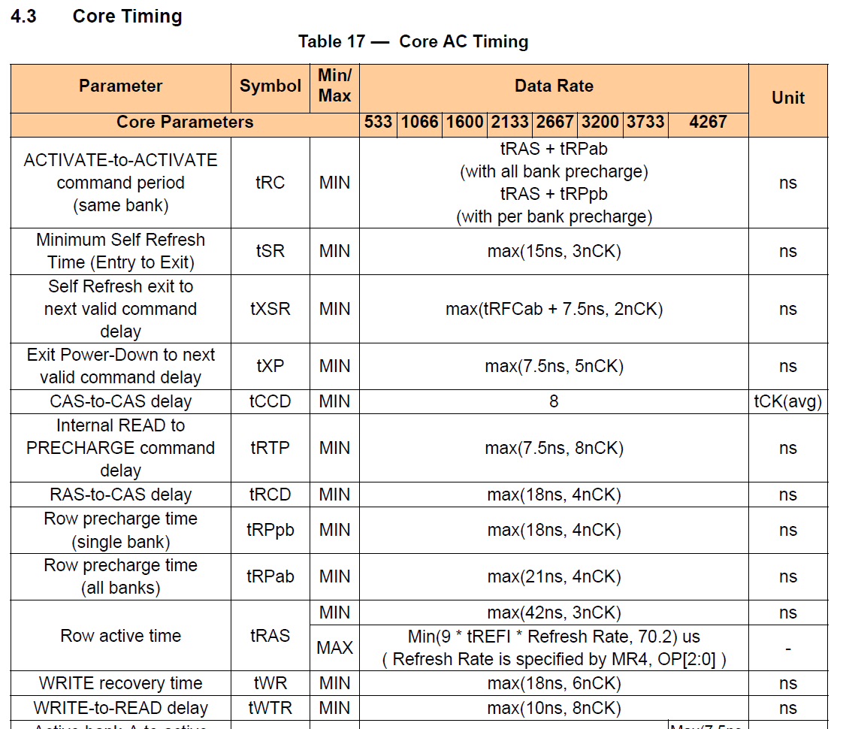
Max. 70.2us is used.

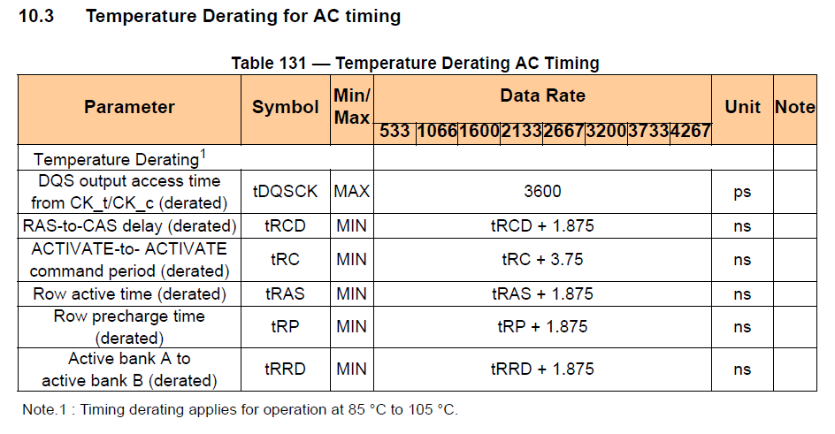

tRAS(min) is calculated with derating
tRAS(min) + 1.875ns
42ns + 1.875ns = 43.875ns

tRRD・tFAW
JEDEC Specification
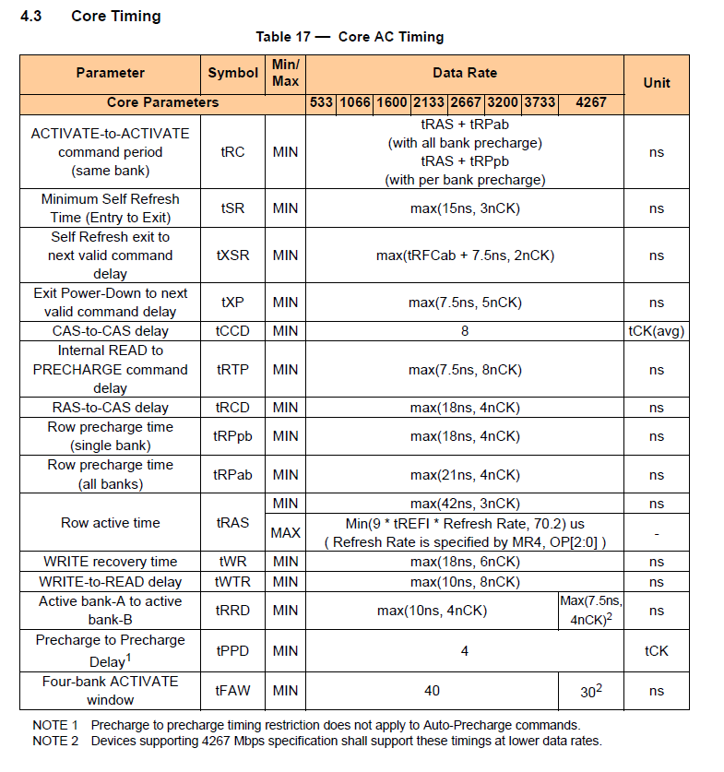

NANYA LPDDR4 datasheet

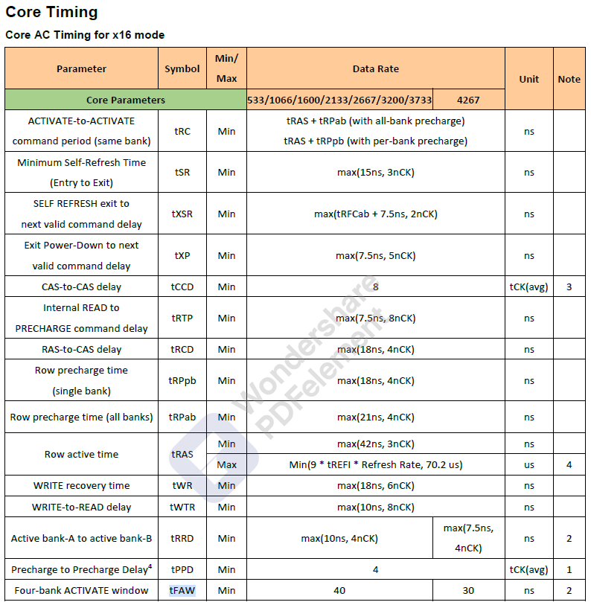

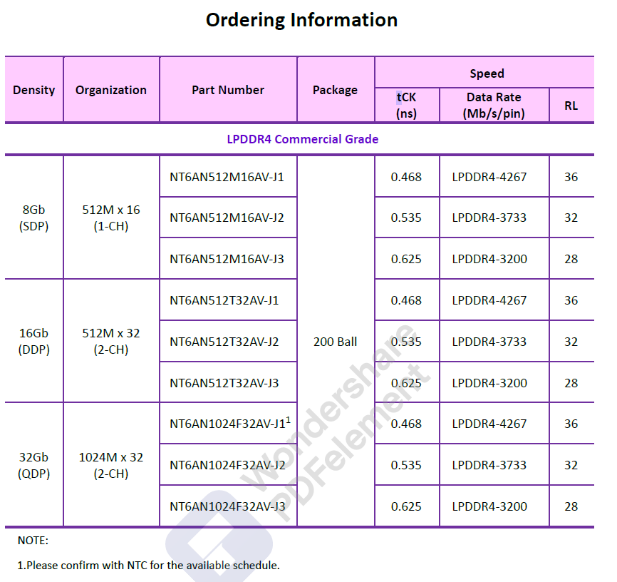
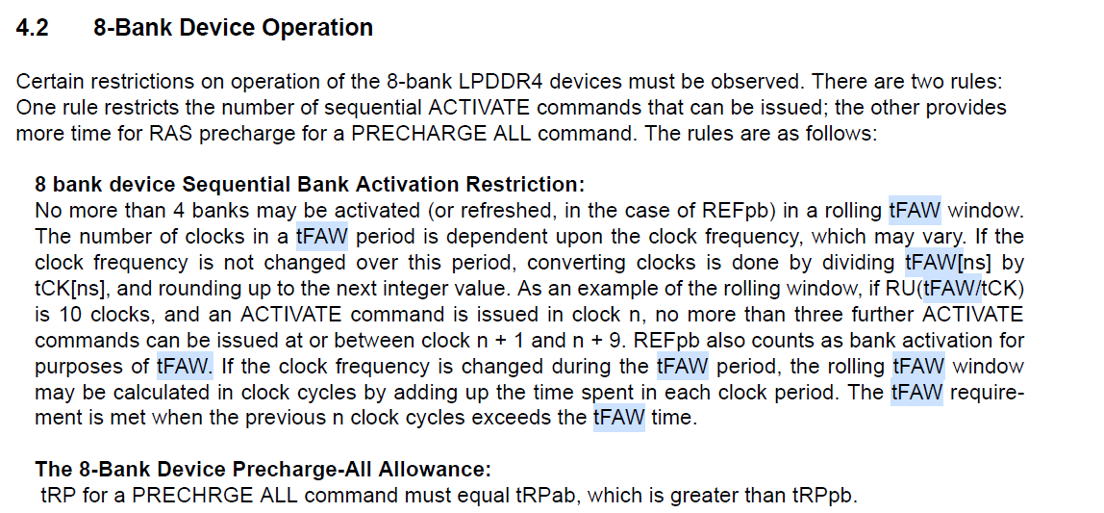
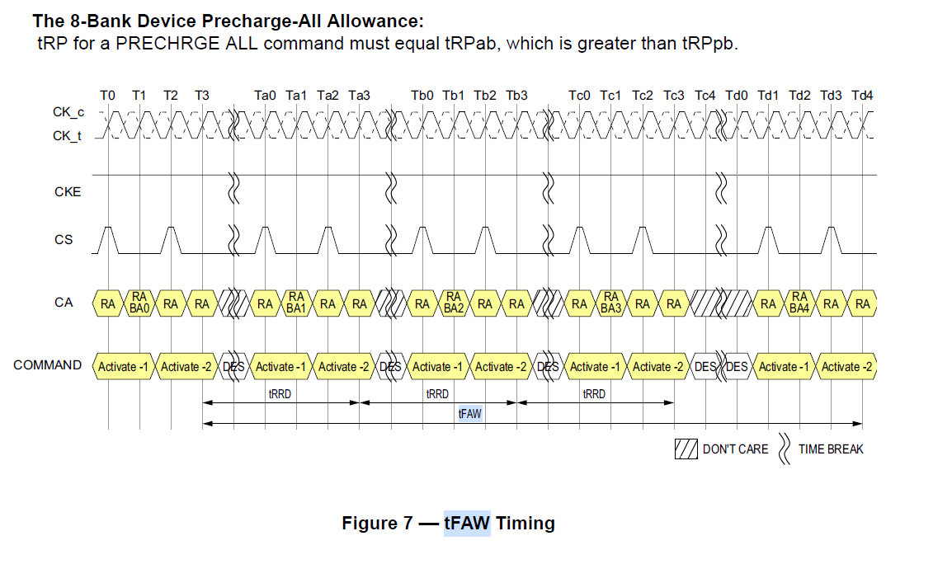

There is no tCK unit description.
Calculated from ns to nCK unit.
40ns / 0.625 = 64 nCK

