Sheet1
 | 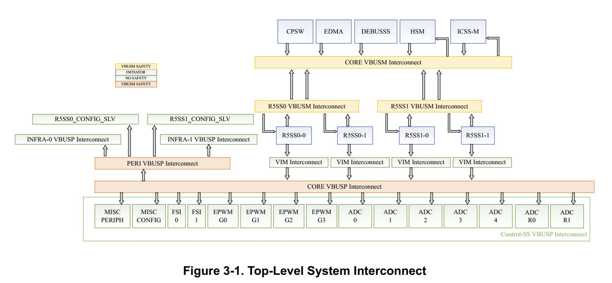

From table 3-5 of SPRUJ55D:
MSS ESM GROUP0, Channel 31: Aggregated_VBUSP_error_H, compare error
 | Table 3-5 |  | sdl_ecc_bus_safety_soc.h (node) | Description (see Figure 3-1)
 | R5SS0_0_AHB |  | SDL_ECC_BUS_SAFETY_MSS_CR5A_AHB | AHB bus to PERI interconect for SS0 CPU0
 | R5SS0_1_AHB |  | SDL_ECC_BUS_SAFETY_MSS_CR5B_AHB | AHB bus to PERI interconect for SS0 CPU1
 | R5SS1_0_AHB |  | SDL_ECC_BUS_SAFETY_MSS_CR5C_AHB | AHB bus to PERI interconect for SS1 CPU0
 | R5SS1_1_AHB |  | SDL_ECC_BUS_SAFETY_MSS_CR5D_AHB | AHB bus to PERI interconect for SS1 CPU0
 | MAIN_VBUSP |  | SDL_ECC_BUS_SAFETY_MSS_MAIN_VBUSP | VBUSP Main (Figure 3-1)
 | PERI_VBUSP |  | SDL_ECC_BUS_SAFETY_MSS_PERI_VBUSP | VBUSP Peri (Figure 3-1)

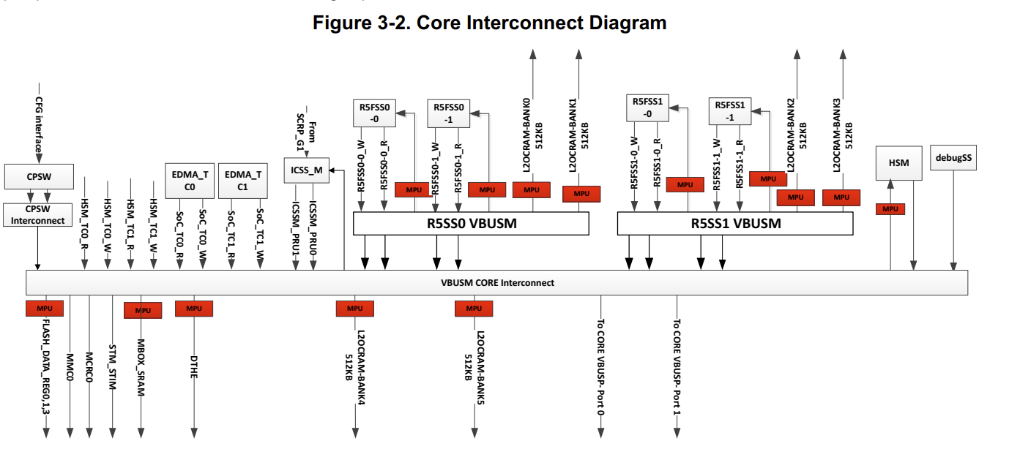

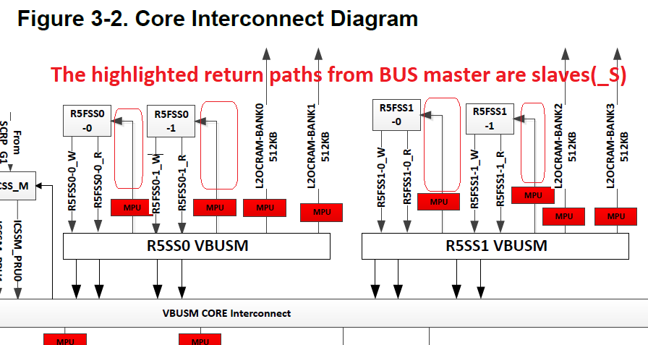
MSS ESM GROUP1, Channel 1: Aggregated_VBUSM_error_H for double error detection DED (Table 3-5)
MSS ESM GROUP1, Channel 2, Aggregated Low interrupt line for VBUSM single error correction (SEC) peripherals (Table 3-5)
 | DED (Table 3-5) | SEC (Table 3-5) | sdl_ecc_bus_safety_soc.h (Bus Safety Nodes) | Description (see Figure 3-5) |  |  | TI comments
 | R5SS0_0_RD | R5SS0_0_RD | SDL_ECC_BUS_SAFETY_MSS_CR5A_AXI_RD | R5FSS0-0_R to VBUSM | Initiator
 | R5SS0_1_RD | R5SS0_1_RD | SDL_ECC_BUS_SAFETY_MSS_CR5B_AXI_RD | R5FSS0-1_R to VBUSM | Initiator
 | R5SS0_0_WR | R5SS0_0_WR | SDL_ECC_BUS_SAFETY_MSS_CR5A_AXI_WR | R5FSS0-0_W to VBUSM | Initiator
 | R5SS0_1_WR | R5SS0_1_WR | SDL_ECC_BUS_SAFETY_MSS_CR5B_AXI_WR | R5FSS0-1_W to VBUSM | Initiator
 | R5SS0_0_S | R5SS0_0_S | SDL_ECC_BUS_SAFETY_MSS_CR5A_AXI_S | What is this? (Missing on Figure 3-2) |  |  | It is there in figure but name is not mentioned
 | R5SS0_1_S | R5SS0_1_S | SDL_ECC_BUS_SAFETY_MSS_CR5B_AXI_S | What is this? (Missing on Figure 3-2) |  |  | It is there in figure but name is not mentioned
 | R5SS1_0_RD | R5SS1_0_RD | SDL_ECC_BUS_SAFETY_MSS_CR5C_AXI_RD | R5FSS1-0_R to VBUSM | Initiator
 | R5SS1_1_RD | R5SS1_1_RD | SDL_ECC_BUS_SAFETY_MSS_CR5D_AXI_RD | R5FSS1-1_R to VBUSM | Initiator
 | R5SS1_0_WR | R5SS1_0_WR | SDL_ECC_BUS_SAFETY_MSS_CR5C_AXI_WR | R5FSS1-0_W to VBUSM | Initiator
 | R5SS1_1_WR | R5SS1_1_WR | SDL_ECC_BUS_SAFETY_MSS_PERI_VBUSP | R5FSS1-1_W to VBUSM | Initiator
 | R5SS1_0_S | R5SS1_0_S | SDL_ECC_BUS_SAFETY_MSS_CR5C_AXI_S | What is this? (Missing on Figure 3-2) |  |  | It is there in figure but name is not mentioned
 | R5SS1_1_S | R5SS1_1_S | SDL_ECC_BUS_SAFETY_MSS_CR5D_AXI_S | What is this? (Missing on Figure 3-2) |  |  | It is there in figure but name is not mentioned
 | Debugss | Debugss | SDL_ECC_BUS_SAFETY_MSS_DAP | VBUSM Core to DebugSS (Figure 3-2) | Initiator | DAP = Debug Access Port
 | HSM_M | HSM_M | Missing in code? | VBUSM Core to HSM (Figure 3-2) | Initiator | HSM = Hardware Security Module | Currently We don't have SDL for HSM testings
 | CPSW | MSS_CPSW | SDL_ECC_BUS_SAFETY_MSS_CPSW | VBUSM Core to CPSW (Figure 3-2) | Initiator | CPSW = Compute Platform Switch = Ethernet
 | OCSRAM(Bank0) | OCSRAM(Bank0) | SDL_ECC_BUS_SAFETY_MSS_L2_A | R5SS0 ot L2OCRAM Bank 0 (Figure 3-2) | Target
 | OCSRAM(Bank1) | OCSRAM(Bank1) | SDL_ECC_BUS_SAFETY_MSS_L2_B | R5SS0 ot L2OCRAM Bank 1 (Figure 3-1) | Target | Check if used in linker command file
 | OCSRAM(Bank2) | OCSRAM(Bank2) | SDL_ECC_BUS_SAFETY_MSS_L2_C | R5SS1 ot L2OCRAM Bank 2 (Figure 3-2) | Target
 | OCSRAM(Bank3) | OCSRAM(Bank3) | SDL_ECC_BUS_SAFETY_MSS_L2_D | R5SS1 ot L2OCRAM Bank 3 (Figure 3-1) | Target
 | OCSRAM(Bank4) | OCSRAM(Bank4) | Missing in code? | VBUSM Core to L2OCRAM Bank 4 | Target | Check if used in linker command file | It is there in latest upcoming release (11.1)
 | OCSRAM(Bank5) | OCSRAM(Bank5) | Missing in code? | VBUSM Core to L2OCRAM Bank 5 | Target | Check if used in linker command file | It is there in latest upcoming release (11.1)
 | SoC_TC_0_RD | SoC_TC_0_RD | SDL_ECC_BUS_SAFETY_MSS_TPTC_A0_RD | VBUSM Core to EDMA TCO (Figure 3-2) | Initiator | Is this the tightly coupled memory or DMA? | DMA
 | SoC_TC_1_RD | SoC_TC_1_RD | SDL_ECC_BUS_SAFETY_MSS_TPTC_A1_RD | VBUSM Core to EDMA TC1 (Figure 3-2) | Initiator | Is this the tightly coupled memory or DMA? | DMA
 | SoC_TC_0_WR | SoC_TC_0_WR | SDL_ECC_BUS_SAFETY_MSS_TPTC_A0_WR | VBUSM Core to EDMA TCO (Figure 3-2) | Initiator
 | SoC_TC_1_WR | SoC_TC_1_WR | SDL_ECC_BUS_SAFETY_MSS_TPTC_A1_WR | VBUSM Core to EDMA TC1 (Figure 3-2) | Initiator
 | HSM_TC_0_RD | HSM_TC_0_RD | Missing in code? | VBUSM Core to HSM (Figure 3-2) |  | HSM = Hardware Security Module | Currently We don't have SDL for HSM testings
 | HSM_TC_1_RD | HSM_TC_0_WR | Missing in code? | VBUSM Core to HSM (Figure 3-2)
 | HSM_TC_0_WR | HSM_TC_1_RD | Missing in code? | VBUSM Core to HSM (Figure 3-2)
 | HSM_TC_1_WR | HSM_TC_1_WR | Missing in code? | VBUSM Core to HSM (Figure 3-2)
 | ICSS0_PRU0 | ICSS0_PRU0 | SDL_ECC_BUS_SAFETY_ICSSM_PDSP0 | VBUSM Core to ICSS_M (Figure 3-2) |  | ICSS = Internal Security Module
 | ICSS0_PRU1 | ICSS0_PRU1 | SDL_ECC_BUS_SAFETY_ICSSM_PDSP1 | VBUSM Core to ICSS_M (Figure 3-2)
 | OSPI | OSPI | SDL_ECC_BUS_SAFETY_MSS_QSPI | What is this? (Missing on Figure 3-2) |  | OSPI = Octal serial peripheral interface (Spi to Flash)
 | MCRC | MCRC | SDL_ECC_BUS_SAFETY_MSS_MCRC | VBUSM Core to MRCR0 |  | CRC Hardware module
 | DTHE | DTHE | Missing in code? | VBUSM Core to DTHE |  | DTHE = Data Transforming and Hashing Engine (Part of HSM) | Currently We don't have SDL for HSM testings
 | SCRP0 | missing? | SDL_ECC_BUS_SAFETY_MSS_SCRP0 | What is this? (Missing on Figure 3-2)
 | SCRP1 | missing? | SDL_ECC_BUS_SAFETY_MSS_SCRP1 | What is this? (Missing on Figure 3-2)
 | HSM | HSM_S | Missing in code? | VBUSM Core to HSM (Figure 3-2) |  | HSM = Hardware Security Module | Currently We don't have SDL for HSM testings
 | missing? | ICSS | SDL_ECC_BUS_SAFETY_ICSSM_S | What is this? (Missing on Figure 3-2) |  |  | It is there in figure but name is not mentioned
 | missing? | MBOX_SRAM | SDL_ECC_BUS_SAFETY_MSS_MBOX | VBUSM Core to MOX_SRAM (Figure 3-2)
 | missing? | STM_STIM | SDL_ECC_BUS_SAFETY_MSS_STM_STIM | VBUSM Core to System Timer STIM
 | missing? | MMC | SDL_ECC_BUS_SAFETY_MSS_MMC | VBUSM Core to MMC0 |  | MMC = Multimedia Card
 | missing? | CORE VBUSP(Port0) | Missing in code? | What is this? (Missing on Figure 3-2)
 | missing? | CORE VBUSP(Port1) | Missing in code? | What is this? (Missing on Figure 3-2)
 | missing? | missing? | SDL_ECC_BUS_SAFETY_MSS_TPTC_B0_WR | What is this? (Missing on Figure 3-2)
 | missing? | missing? | SDL_ECC_BUS_SAFETY_MSS_SCRP | What is this? (Missing on Figure 3-2)

 |  |  |  | Is ECC for bus to TCM memory missing?

