Plan
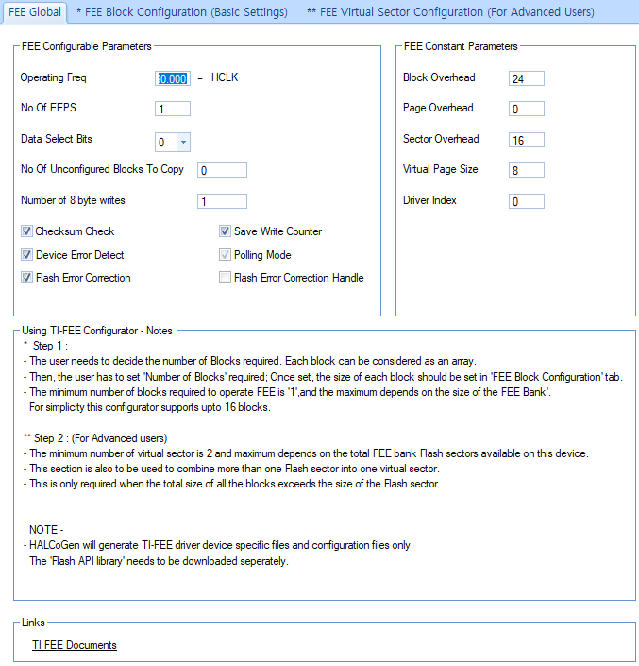
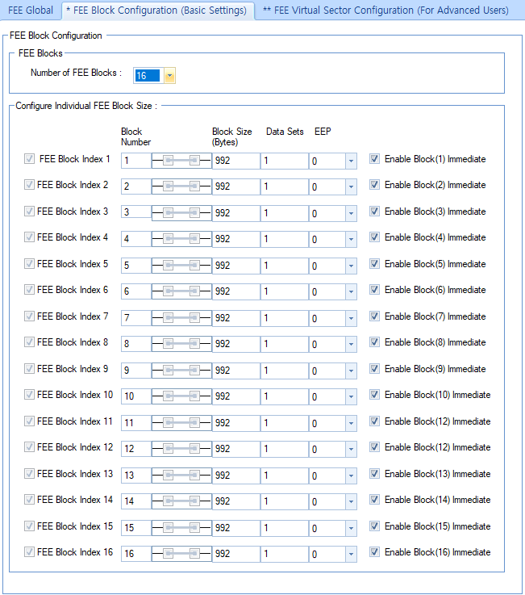
VS Header (bytes) |  | Block Header(bytes) | Block Payload(bytes)

32 | Block1 | 24 | 992
 | Block2 | 24 | 992
 | Block3 | 24 | 992
 | Block4 | 24 | 992
 | Block5 | 24 | 992
 | Block6 | 24 | 992
 | Block7 | 24 | 992
 | Block8 | 24 | 992
 | Block9 | 24 | 992
 | Block10 | 24 | 992
 | Block11 | 24 | 992
 | Block12 | 24 | 992
 | Block13 | 24 | 992
 | Block14 | 24 | 992
 | Block15 | 24 | 992
 | Block16 | 24 | 992

 | Used VS Length (bytes) |  | 16288
 | Max VS Length (bytes) |  | 16384

