AM263_SAR_Spec_Calc
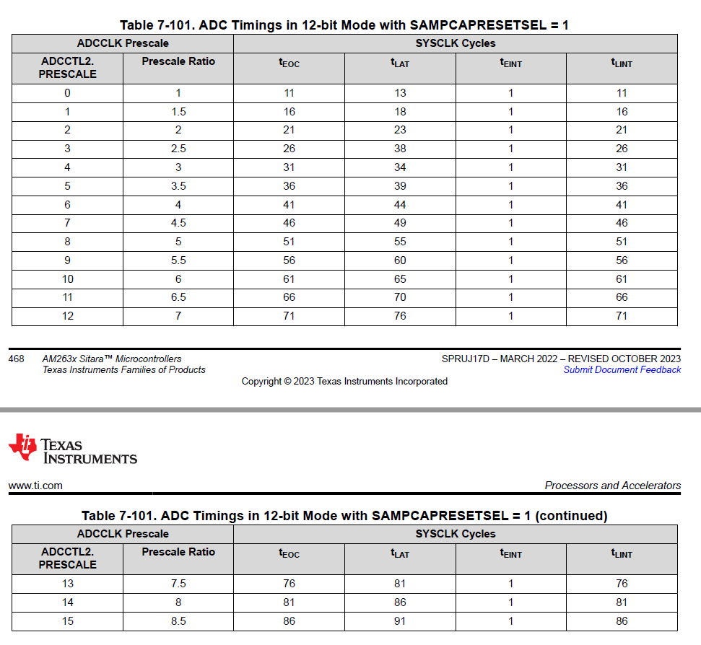

SYSCLK | 200000000 | Hz | Will by MCU SYSCLK/2
 | 5e-09 | sec
ADC Prescale Ratio | 3 |  | Use ADCCTL2.PRESCALE lookup -->
ADC_CLK | 66666666.666666664 | Hz
 | 1.5e-08 | sec

t.sh | 19 | SYS_CLK periods | ADCSOC0CTL.ACQPS + 1
 | 9.5e-08 | sec
t.EOC | 31 | SYS_CLK periods | Harmony ADC t.EOC timing Lookup for a given prescale -->
 | 1.55e-07 | sec
 | 32 | ADC_CLK periods | TRM states 11.5 ADC_CLK rounded to next whole sysclk
 | 1.575e-07 | sec
 | 1.6e-07 | sec

t.aquisition | 50 | SYS_CLK periods | <- t.sh + t.EOC
 | 2.5e-07 | sec
f.aquisiton | 4000000 | samples/sec

 | Gain+Offset Error Max | 9 | LSB (from datasheet)
 | Gain+Offset ErrorMin | -9 | LSB (from datasheet)
 | Full-Scale Voltage | 3.2 | Volts (from datasheet)

 | Gain+Offset Error Max | 0.0021978021978 | Ratio of Full-Scale (3.2V)
 | Gain+Offset ErrorMin | -0.0021978021978 | Ratio Full-Scale (3.2V)
 | Gain+Offset Error Max | 0.007032967033 | Volts
 | Gain+Offset ErrorMin | -0.007032967033 | Volts

SAR_ADC_CB_Calc
References: - ADC Input Circuit Evaluation for C2000 MCUs (using TINA-TI simulation tool) (https://www.ti.com/lit/an/spract6a/spract6a.pdf)
https://www.ti.com/lit/an/spract6a/spract6a.pdf

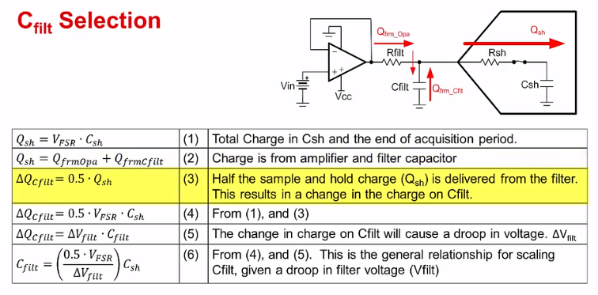
 | Inputs
 | Outputs

V.FSR | 3.2 | V | Full-scale voltage
V.delta-filt | 0.1 | V | Allowed maximum filter droop during start of sample period
C.sh | 8 | pF | SAR ADC sample and hold capacitance
C.pin | 7 | pF | SAR ADC pin parasitic capacitance
ADC resolution | 0.00078144078144 | Volt/LSB
t.aquisition | 9.5e-08 | seconds | Time that the sample switch is closed, allowing the C.sh to charge

C.total | 15 | pF | Total SAR device capacitance seen by ADC driver circuit
C.filt | 240 | pF | Calculated Cfilt capacitance given above values

10 x C.sh | 150 | pF | Minimum value for C.filt - useful for parameter sweeps
20 x C.sh | 300 | pF | A typical value for Cfilt - useful for parameter sweeps
30 x C.sh | 450 | pF | Maximum value for C.filt - useful for parameter sweeps

tau.c | 1.71e-08 | seconds | RC time-constant of the charging system
tau.OA | 4.2e-09 | seconds | Time constant of the op-amp (when modeled as a second-order system)
UGBW | 38301634.832415834 | Hz | Unity Gain Bandwidth of attached amplifier - minimum bandwidth

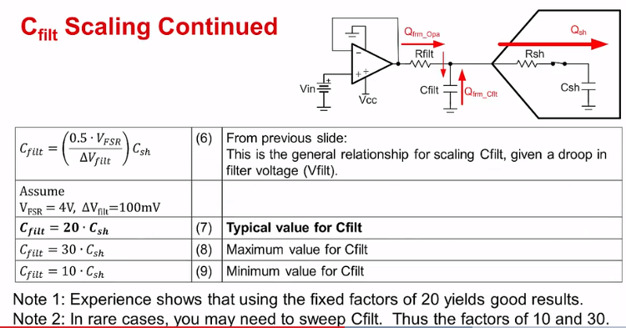
R.filt | 69.255069567 | Ohms | Calculated Rfilt resistance given by above tau values and C.filt
0.25 x R.filt | 17.313767392 | Ohms | Minimum R.filt - useful for parameter sweeps
2 x R.filt | 138.51013913 | Ohms | Maximum R.filt - useful for parameter sweeps

